LCD-28
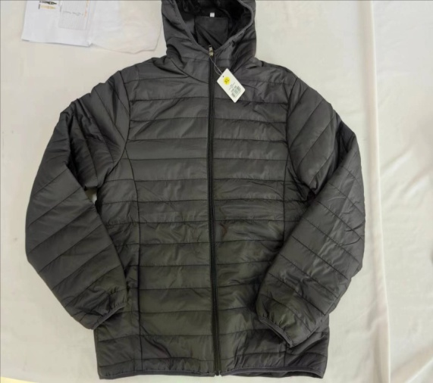
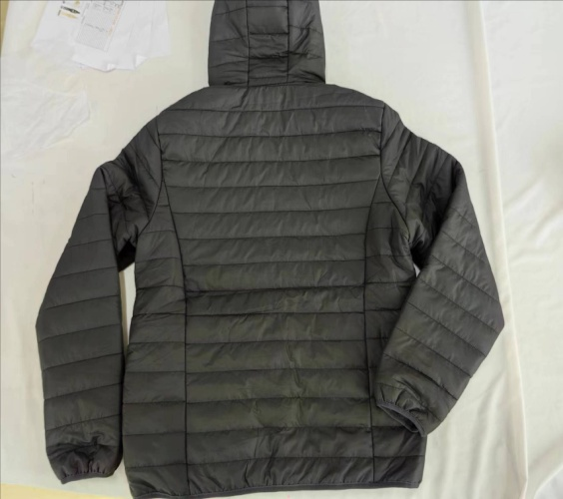
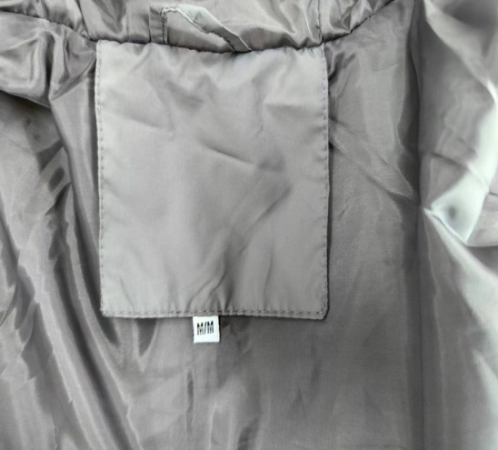
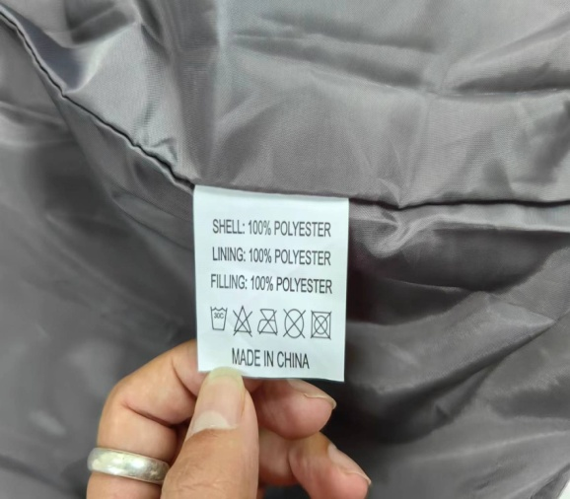
ART | TG-2550
NAME | MENS JACKET
尺寸表 | M | L | XL | XXL | 备注
FRONT LENGTH | 27.75 | 28.75 | 29.75 | 30.75
CHEST | 22.25 | 23.25 | 24.25 | 25.25
SHOULDER | 18.5 | 19 | 19.5 | 20
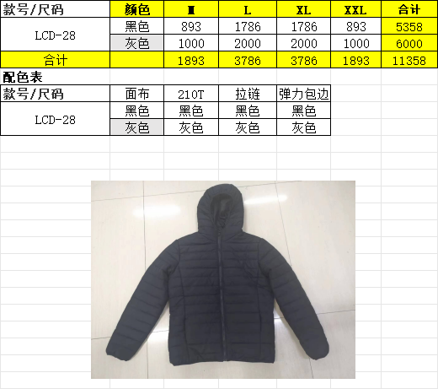
armholes | 10 | 10.375 | 10.75 | 11.125
sleeve | 26 | 27 | 28 | 29
cuff | 4 | 4.25 | 4.5 | 4.75
BLACK Fabric:100% polyester 50D+ 100% polyester 210T lining Grey Fabric:100% nylon 210T +100% polyester 210T lining

箱规
配比表
号码 颜色 | M | L | XL | XXL | TOTAL
BLACK | 893 | 1786 | 1786 | 893 | 5358
CHARCOAL | 1000 | 2000 | 2000 | 1000 | 6000
TOTAL |  |  |  |  | 11358
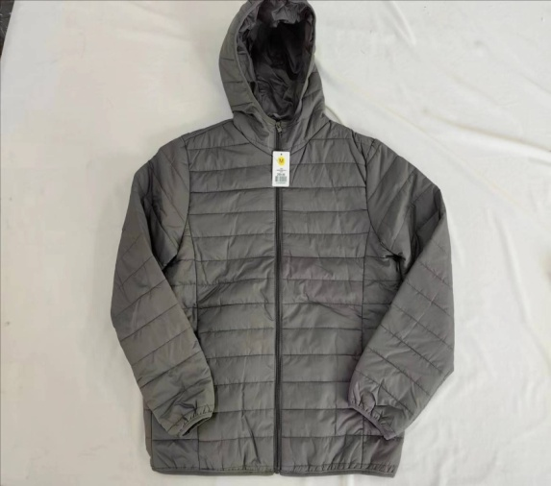
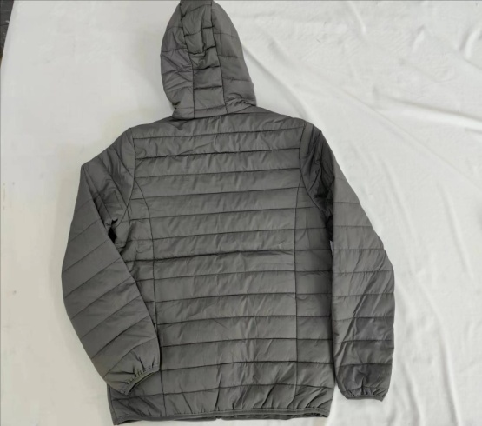
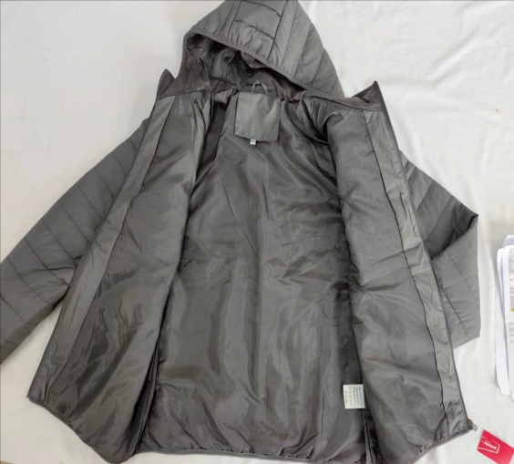
款式图

